Script
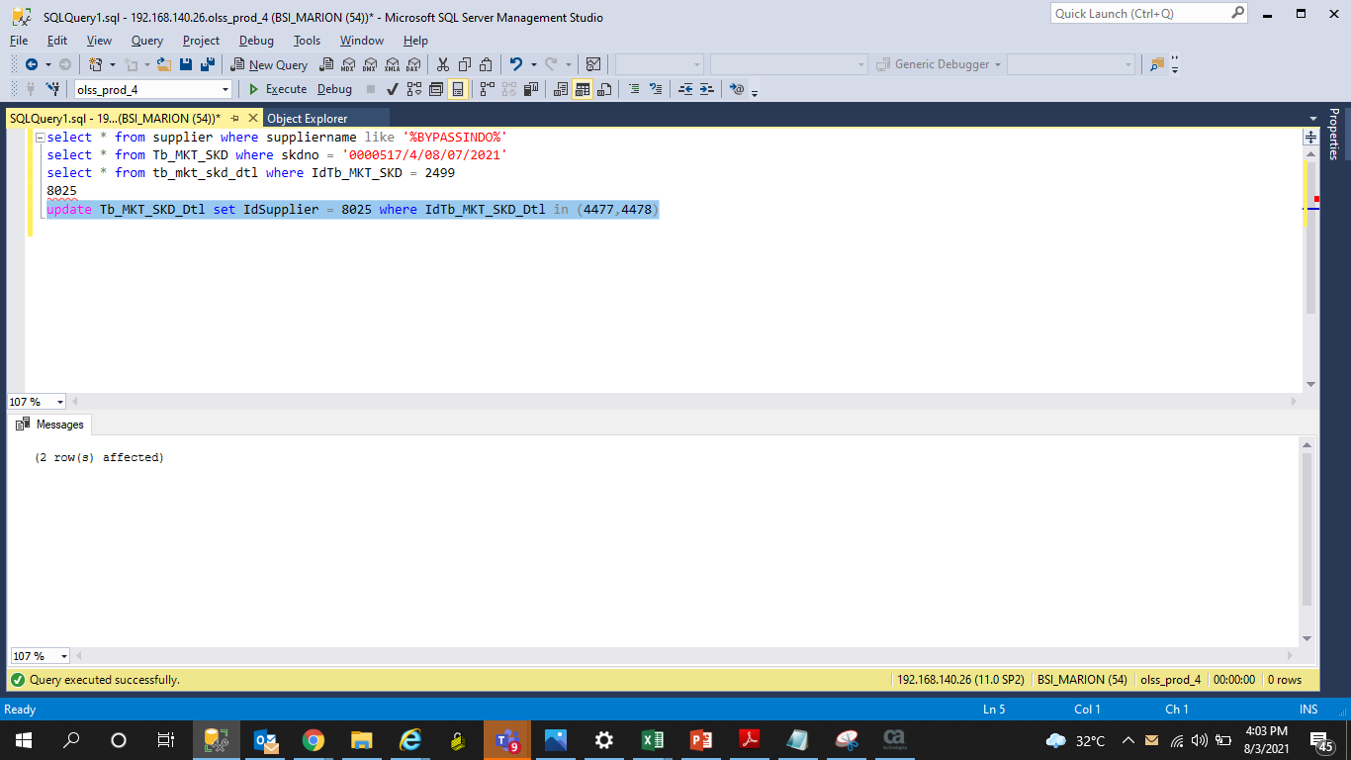
update Tb_MKT_SKD_Dtl set IdSupplier = 8025 where IdTb_MKT_SKD_Dtl in (4477,4478)

Screenshot
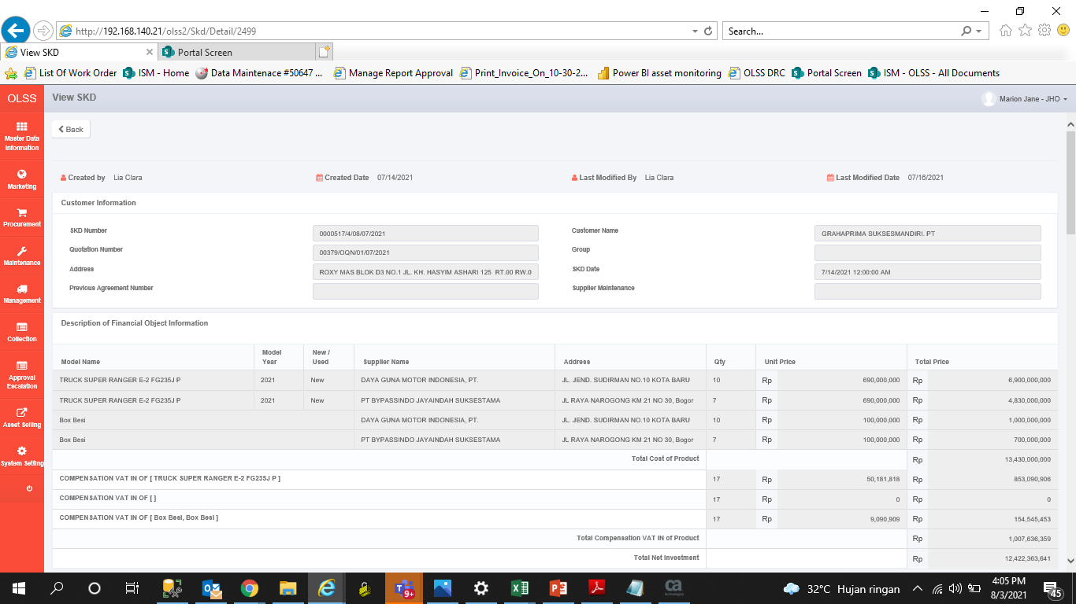
BEFORE
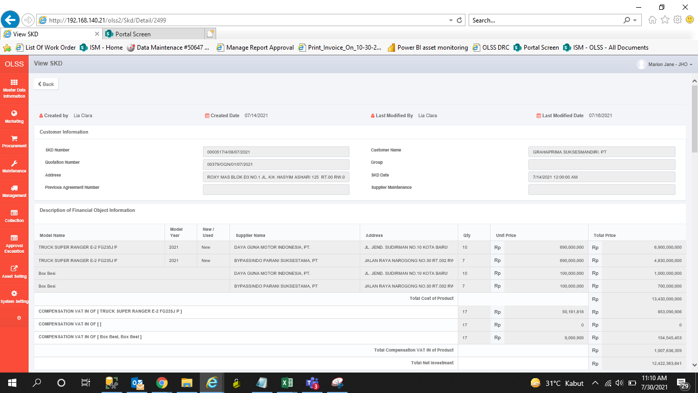

AFTER

